Bug Report
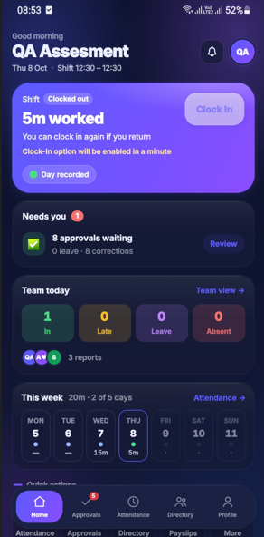
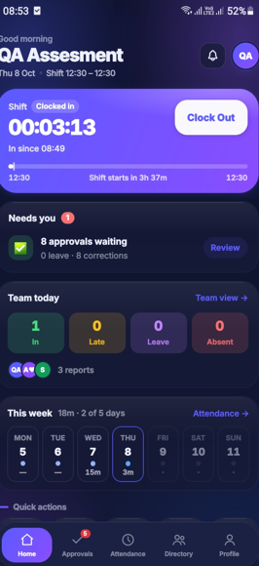
Bug ID | Bug Title | Module | Steps to Reproduce | Expected Result | Actual Result | Severity | Priority | Status
BUG_001 | Early-Out duration displays 5 minutes instead of 3 minutes | Attendance | Login → Attendance → Open Early-Out anomaly → Check duration | Early-Out duration should be calculated accurately | Actual duration is 3 minutes, but app displays 5 minutes | Medium | Medium/High | Open

